Safety Calculator
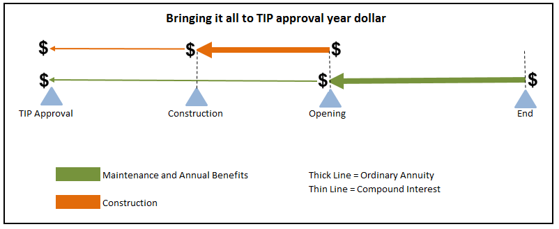

11.06.20 Safety Calculator

Sponsoring Agency:

Project Title:

* When entering the data below, be sure to use the number of crashes and NOT the number of injuries/people involved. For example: If there was a crash that had one fatality and two minor injuries, sponsors would enter this as one fatal crash. The crash should be documented as the "highest" severity listed in the crash report. * Sponsors should ONLY use crashes that happen WITHIN the project limits.

 | Benefit/Cost Ratio |  |  | Outputs
 |  |  |  |  | 5 Year Crash Data (per 100 million miles)
 |  | Value | Comment | Crash Rate | -
 | Number of Crashes from 2014-2018:
 | Fatal (K) |  | Input | Fatality & Serious Injury Crash Rate | -
 | Serious Injury (A) |  | Input
 | Minor Injury (B,C) |  | Input
 | Property Damage Only (O) |  | Input | Benefit/Cost Ratio | -
 | Total | -
 | Project Type:
 | Segment or Intersection |  | Select from drop down list
 |  |  | Number of vehicles (current) | CHECKS
 | Project Length |  | in miles
 | Countermeasure Detail, Implementation, and Cost: |  |  | Annual Benefit | -
 | Lifespan of Countermeasure |  | Years
 | Maintenance Cost of Countermeasure |  | Annual dollars | PVB | -
 | CMF |  | One value only/Don't average multiple CMFs
 | Years To Construction Phase |  | Years | PVC | -
 | Duration of Construction Phase |  | Years, minimum of one year*
 | Total Project Cost |  | Dollars, include all phases of the project | PVC Construction | -

 | Key: |  | *Show projects with less than one year of construction as one year | PVC Maintenance | -
 | Inputs
 |  |  |  | BCR | -
 | Results

